Sheet1
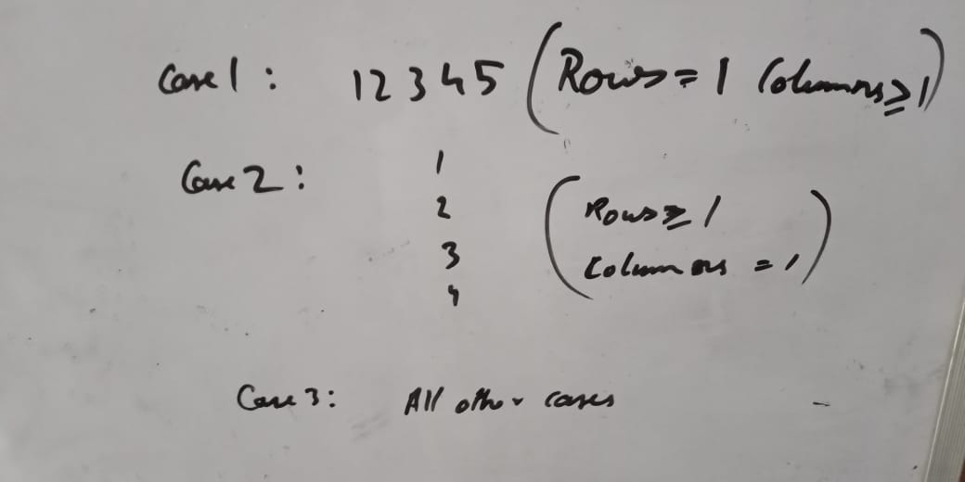
This spreedsheet has been created from the messages I posted in Macechef Community's WhatsApp group. Please feel free to point out my mistakes or clarify your doubts. - AMP0075
 | https://www.codechef.com/TNP42020
TNP 401 Mukesh is travelling to a certain place which is m kilometers away from his current position. It is seen that he is travelling in a constant speed n. Find the time taken by Mukesh to reach his destination in seconds? Input: first line is distance(in Kms) Sample Input: 80 10 Sample Output: 28800.00 Approach Speed = Distance/Time Or Time =Distance/Speed. output should be in seconds (2 decimal places) Since the input is in kmph and km => Time from formula is in hours => Final answer = (Distance/Speed)*60*60 Program in python m=int(input()) n=int(input()) a=(m/n)*60*60 print(format(a,".2f")) second line is speed (in Km/hr) Output: output is a single line with time taken in seconds | TNP 402 XYZ school has the following grading policy: If mark is less than or equal to 50, the student gets 'F', If mark is greater than 50, but less than or equal to 55, student gets a 'D', If mark is greater than 55, but less than or equal to 60, student gets a 'C', If mark is greater than 60, but less than or equal to 75, student gets a 'B', if mark is greater than 75, but less than or equal to 90, then student gets 'A', if mark is above 90, the student get the highest grade - 'A+'. Your task is to find the grade of a student as per the mark. Input: The line contains the mark, M Output: Output a single line containing the grade corresponding to the mark M. Constraints 0≤ M ≤100 Sample Input: 80 Sample Output: A Prerequisites if else if ladder Program in python a=int(input()) if(a>90): print("A+") elif(a>75 and a<=90): print("A") elif(a>60 and a<=75): print("B") elif(a>55 and a<=60): print("C") elif(a>50 and a<=55): print("D") else: print("F") | TNP 403 Sherin likes to play with numbers. Sherin decides to make a pyramid using numbers. Help Sherin to make the pyramid. Input: First line contains a single integer T,Number of test cases. Every test case contains an integer R,Number of rows. Output: For each test case ,print the pyramid. Constraints 1<=T<=10 1<=R<=10^4 Sample Input: 1 3 Sample Output: 1 2 3 2 3 4 5 4 3 Prerequisites loops, arrays and patterns Pattern the given pattern can be expressed as 1 2 3 2 3 4 5 4 3 4 5 6 7 6 5 4 ... one way to view it is 1 2 3 4 3 4 5 4 3 4 5 6 7 6 5 4 ... Program in python T=int(input()) while(T): R=int(input()) k=1 B=[] for i in range(1,R+1): A=[] for j in range(i,k+1): A.append(j) if(i!=1): B=A[::-1] A=A[:]+B[1:] for _ in A: print(_,end=" ") print() k+=2 T-=1 [10:57 AM, 12/21/2020] AMP0075: size of bold elements is increasing by 1 and the first element value is increasing by 1 each time. store this in array and print the reverse of bold values other than last value. This is one way to solve it. | 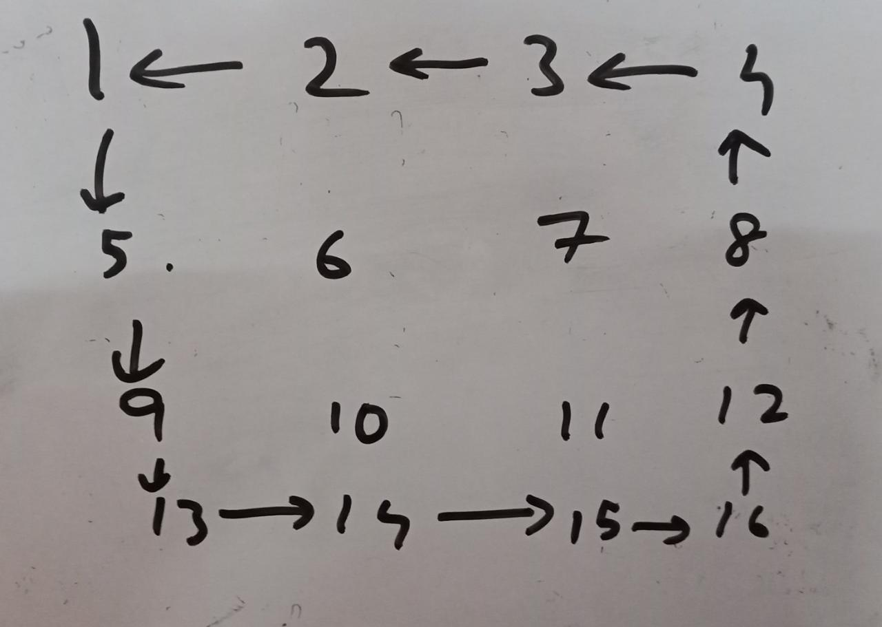 TNP 404 A number of students are made to stand in n rows and m columns. Each students are identified by a random number. After making them stand in a row by column way it was noticed that the the arrangement of the outer students were wrong and the position has to be shifted by 1 place counter clockwise. Display the corrected arrangement. Input: first line is number of rows (m) second line is number of columns (n) (m x n) lines of random numbers Output: output is a m x n matrix (show in matrix format with each element of a row separated by a tab space) Constraints 1 <= m <= 5 1 <= n <= 5 Sample Input: 3 3 1 2 3 4 5 6 7 8 9 Sample Output: 2 3 6 1 5 9 4 7 8 Prerequisites Array or Matrix, loops. What is asked? Just change the position of outer elements of matrix in counterclockwise direction. [11:11 AM, 12/21/2020] AMP0075: take 3 cases using if else if statements, One approach Use nested array, Store each row in an array and store it in another array In case 1 print first row in reverse order In case 2 print first column in reverse order Case 3: int temp=A[0][0]; for(i=0;i<n-1;i++) A[0][i]=A[0][i+1]; for(i=0;i<m-1;i++) A[i][n-1]=A[i+1][n-1]; for(i=n-2;i>=0;i--) A[m-1][i+1]=A[m-1][i]; for(i=m-2;i>0;i--) A[i+1][0]=A[i][0]; A[1][0]=temp; Program in C++ int main() { int m,n, A[5][5], T[5][5], r,c,i,j; cin>>m>>n; r=m;c=n; for(i=0;i<m;i++) for(j=0;j<n;j++) cin>>A[i][j]; if(m==1) for(j=n-1;j>=0;j--) cout<<A[0][j]<<"\t"; else if(n==1) for(j=m-1;j>=0;j--) cout<<A[j][0]<<"\n"; else{ int temp=A[0][0]; for(i=0;i<n-1;i++) A[0][i]=A[0][i+1]; for(i=0;i<m-1;i++) A[i][n-1]=A[i+1][n-1]; for(i=n-2;i>=0;i--) A[m-1][i+1]=A[m-1 | TNP 405 Generate the first N rows of Pascal’s triangle. Each row should be printed as an array/list. Find the sum of non-terminal elements of (12N+10)th array. Also print the no. of arrays in which only two elements do not repeat. (Since the sum and no. can be large, compute it modulo 998,244,353.) (Pascal's triangle => To generate A[C] in row R, sum up A’[C] and A’[C-1] from previous row R - 1.) Input: First-line contains the no. of test cases, T. Second-line contains the no. of rows to be printed for each test case, N1,N2,…Nk . Output: Print a row of pascal series then the corresponding sum of non-terminal elements in the next line. (Print N rows and corresponding sum). Print the sum of non-terminal elements of (12n+10)th array. (Do not print the array, just print the sum.) Print the no. of arrays in which only two elements do not repeat. Constraints 1≤T≤5 1≤N≤100 Sample Input: 1 3 Sample Output: [1] 0 [1, 1] 0 [1, 2, 1] 2 251622992 0 Prerequisites Arrays, loops Pacal's triangle https://en.wikipedia.org/wiki/Pascal%27s_triangle Naïve Approach Similar to previous problem use a nested array and store the values into it (until 12N+10), Print each row (until N) and corresponding (sum= sum of all elements - 2) Print the sum % 998244353 of 12N+10th row. If you observe the Pascal's triangle, the no. of arrays in which only two elements do not repeat will always be 0. Because all elements repeat in Pascal's triangle other than first element when in first row and Middle element in odd rows. So just print 0. Approach using formulas or observations Store value 1 into an array, for multiple rows keep adding values according to the given formula to it (To generate A[C] in row R, sum up A’[C] and A’[C-1] from previous row R - 1) If you observe the series the sum of each row is power of 2, i.e. sum of all elements in first row = 2^0 =1 sum of row 2 i.e. [1,1] = 2 =2^1 and so on. According to the problem statement

